Codigo
If request is pending for replication: | 2025-07-08 | 29 | 2025-08-06 | Reactivation Date
Your request has been processed and is currently pending replication. We will proceed to close this ticket for now. Please check TM1/PAFE within 1–5 business days to confirm that the request has been mapped to the correct node(s).

If request has been successfully mapped:

If request consist of many line items, include the count:
(count of requested objects) objects have been successfully mapped. | ** Always advise and explain if some objects are not valid for mapping.

If request consist of only one line item.
Object has been successfully mapped.

If request is not related to GCOH Mapping
Thank you for reaching out. It appears that your request is not related to GCOH Mapping nor Structure Maintenance. Please note that we only handle requests specifically related to GCOH Mapping and Structure Maintenance. For assistance with your request, kindly contact/raise <>. We will resolve this ticket and advise you not to re-open the ticket once it's resolved, as it will affect our KPI. Thank you for understanding.

If request is related to Structure Maintenance (to be assigned to Pierre)
Acknowledging request. Setting it to 'Pending Target Date'.

Objects such as PNEXT_CPRJ, always exclude "PNEXT" and upload the beginning of CPRJ, Characteristic Name is 0HIER_NODE.

SPECIAL NOTE: Every year-end (December Reporting), All Non-LFF objects, must always have a validity date of the previous year. (E.g. January 2025, should be 2024)

** If Vendor, T&E or AP Related = Procure4You
** If other Cost Object changes aside from mapping = Master Data Team
** If Cost Center creation = K2 Workflow

If some items are not valid for mapping. Input it in Comments in F4U and list the items then ask if it's okay to resolved since our part to map was already performed.

LFF Checking:

1.)
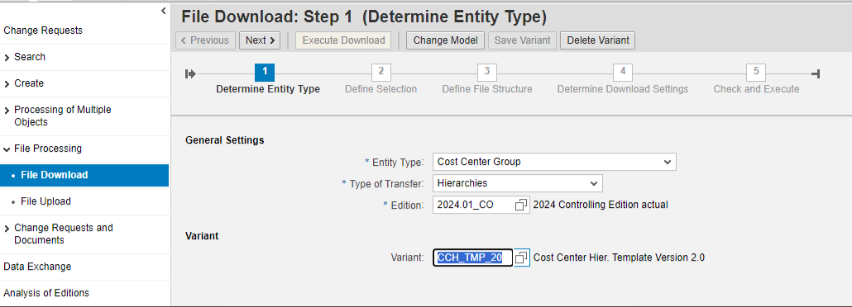

2.)
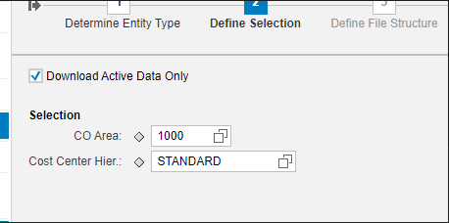

3.) Just click next….

ADHOC: Life Science Cost Object GCOH Mapping | 400 | Roland Earvin Combalicer |  | LS | Ticket assignment
ADHOC: Healthcare Cost Object GCOH Mapping | 401 | Roland Earvin Combalicer |  | HC | Mapping Validation
ADHOC: Electronics Cost Object GCOH Mapping | 402 | Roland Earvin Combalicer |  | EL | Ticket resolved
ADHOC: MGF Cost Object GCOH Mapping | 403 | Roland Earvin Combalicer |  | MGF

Accesses needed for GCOH
PCM Data Steward - Signed MDGF Access form to be sent to Donna Barrameda/Leslie Manalo
PCB Approver access - K2 > Actuals Finance Reporting > Special Authorizations > MC4F - Mapping Cockpit Hierarchy Approver
Mcloud - K2 > Actuals Finance Reporting > Reporting Apps > Single Reporting > CDR > by GCOH

MDGF > Insert Cost Center Unassigned

Mapping O/L0000*****: (OL0000*****_I) <- Do this format and use FAACOBVAL as Characteristic Name[CHANM]

